MENU
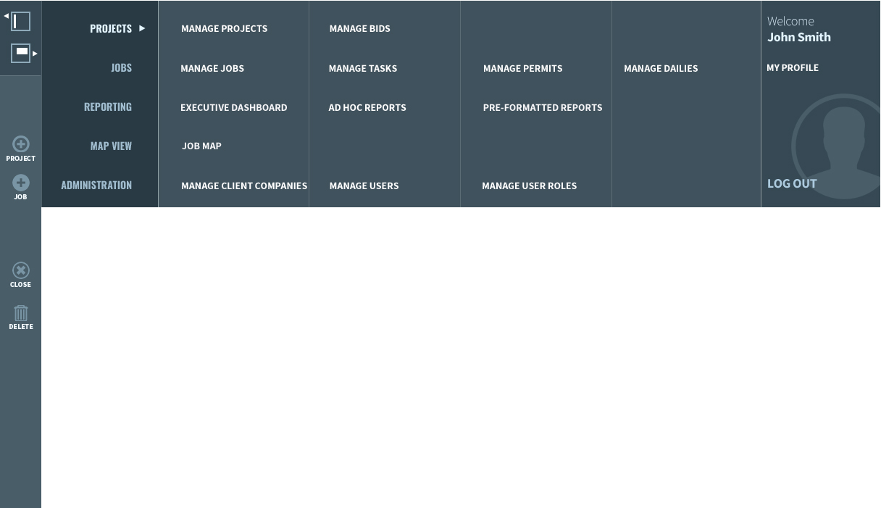

Menu Details
Field name |  | Screen Grouping | Field Type | Values/Options* | Description | Action | Business Rule
Main Menu
Projects | Manage Projects |  |  |  |  | Launches the Manage Projects screen
 | Manage Bids |  |  |  |  | Launches the Manage Bids screen
Jobs | Manage Jobs |  |  |  |  | Launches the Manage Jobs screen
 | Manage Tasks |  |  |  |  | Launches the Manage Tasks screen
 | Manage Permits |  |  |  |  | Launches the Manage Permits screen
 | Manage Dailies |  |  |  |  | Launches the Manage Dailies screen
Reporting | Executive Dashboard |  |  |  |  | Launches the Executive Dashboard screen
 | AD HOC Reports |  |  |  |  | Launches the AD HOC Reports screen
 | Pre-Formatted Reports |  |  |  |  | Launches the Pre-Formatted Reports screen
Map View | Job Map |  |  |  |  | Launches the Job Map screen
Administration | Manage Client Companies |  |  |  |  | Launches the Manage Client Companies screen
 | Manage Users |  |  |  |  | Launches the Manage Users screen
 | Manage User Roles |  |  |  |  | Launches the Manage User Roles screen
My Profile |  |  |  |  |  | User Profile
Logout |  |  |  |  |  | Logout User
Side Menu
Project |  |  |  |  |  | Launch Add Projects Screen
Job |  |  |  |  |  | Launch Add Jobs Screen
Close |  |  |  |  |  | Launch Close Jobs Screen
Delete |  |  |  |  |  | Launch delete Projects/Jobs Screen

My Profile
My Profile
 |  |  |  |  |  |  | Add/Edit User Field Details
Add/edit user screen provides the ability to: |  |  |  |  |  |  | Field name |  | Screen Grouping | Field Type | Values/Options* | Description | Action | Business Rule
Add/edit user information |  |  |  |  |  |  | Update User Information | User Name | Grid Column | Text | Mandatory Field |  | Enter value
Reset user password and update security question |  |  |  |  |  |  |  | First Name | Grid Column | Text | Mandatory Field |  | Enter value
 |  |  |  |  |  |  |  | Email | Grid Column | Text |  |  | Displays
 |  |  |  |  |  |  |  | Phone Number | Grid Column | Numeric | Mandatory Field |  | Enter value
 |  |  |  |  |  |  |  | User Type | Grid Column | Dropdown | Mandatory Field |  | Select an option
 |  |  |  |  |  |  |  | Last Name | Grid Column | Text |  |  | Displays
 | Add/Edit User Screen |  |  |  |  |  |  | Company | Grid Column | Dropdown |  |  | Select an option
 | Filters |  |  |  |  |  |  | Mobile/Texting Phone Number | Grid Column | Numeric |  |  | Displays
 | User Type | Dropdown |  |  | Company | Dropdown | Reset Your Password | Enter Your Current Password | Grid Column | Numeric/Text/Special Characters |  |  | Enter value
 | Security Question | Dropdown |  |  |  |  |  | New Password | Grid Column | Numeric/Text/Special Characters | Minumum 8 Characters |  | Enter value
 |  |  |  |  |  |  |  | Re-type New Password | Grid Column | Numeric/Text/Special Characters |  |  | Enter value
 |  |  |  |  |  |  | Update Your Security Question | Security Question | Grid Column | Dropdown |  |  | Select an option
 |  |  |  |  |  |  |  |  | Grid Column | Text |  |  | Displays
 | ADD/EDIT USER SCREEN |  |  |  |  |  | Action Buttons
 |  |  |  |  |  |  | Cancel |  |  |  |  |  | Cancel User
 |  |  |  |  |  |  | Save |  |  |  |  |  | Save User
 |  |  | Cancel |  |  | Save

 | Update User Information | *User Name | JSWIFT |  | *User Type | Office PM
 |  | *First Name | Jonathan |  | Last Name | Swift
 |  | Email | js@verizon.com |  | Company | Hylan Group
 |  | *Phone Number | (405) 512-7009 |  | Mobile/Texting Phone Number | (405) 512-7298

 | Reset Your Password | Enter Your Current Password | *********
 |  | New Password |  | Minumum 8 Characters
 |  | Re-type New Password

 | Update Your Security Question | Security Question | What is your mother's maiden Name?
 |  |  | Catherine Swift

 |  | * Please do not leave these fields empty

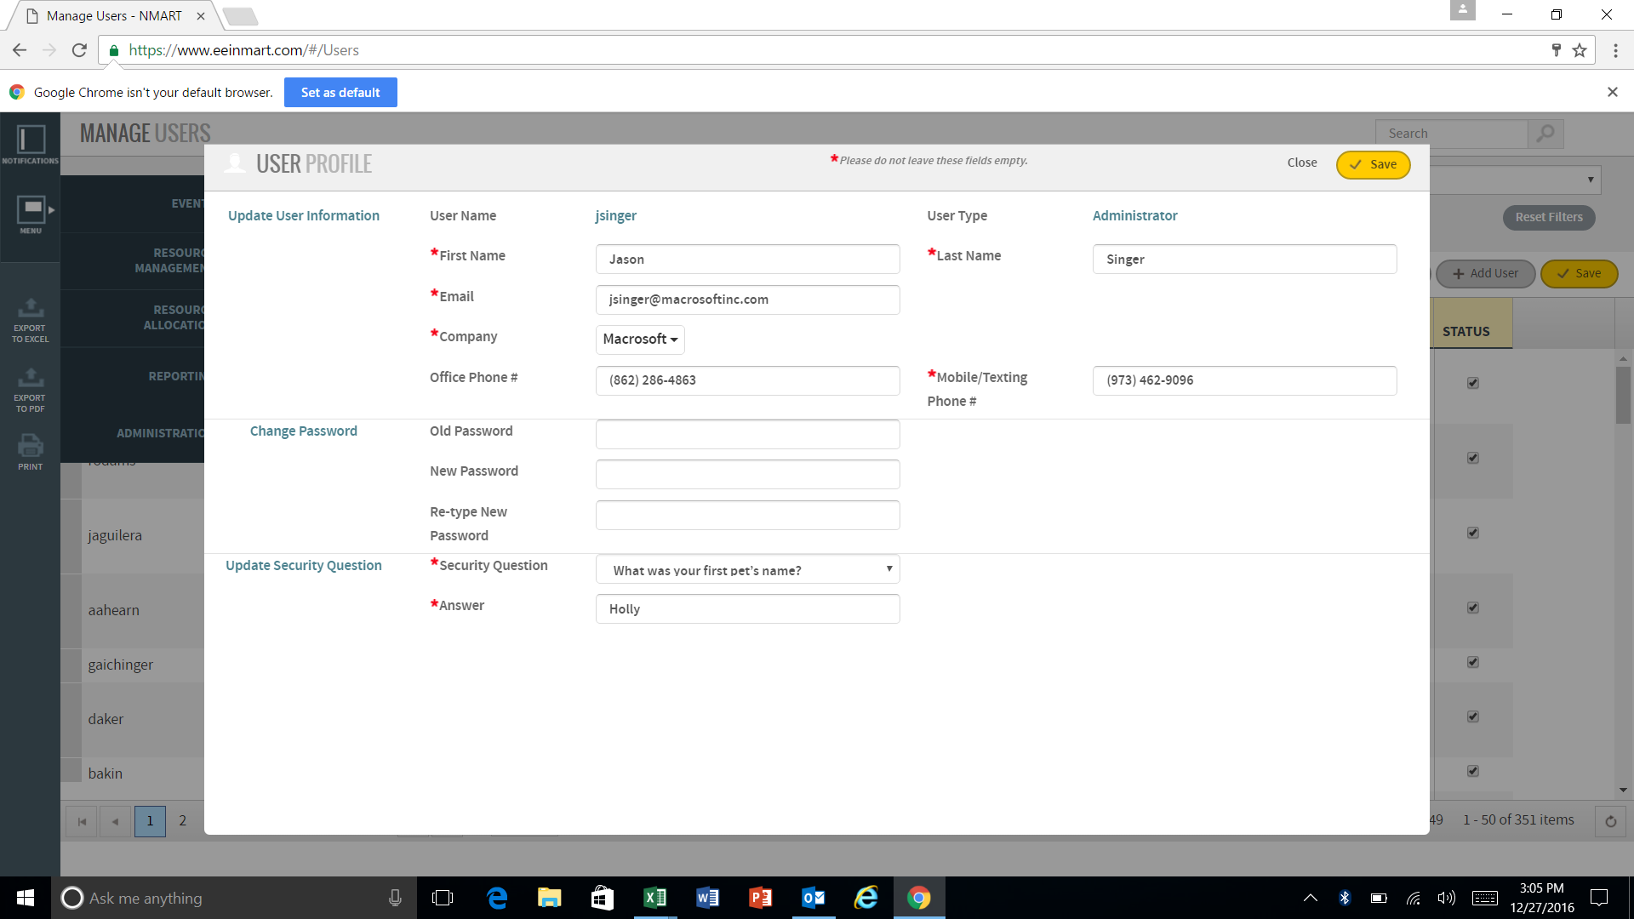

 |  |  |  |  |  |  |  |  |  |  |  |  |  | Company is single select
 |  |  |  |  |  |  |  |  |  |  |  |  |  | Mobile/Texting is "Cell"

17 Executive Dashboard
EXECUTIVE DASHBOARD
View a high level overview of various data points on a dashboard

 | Executive Dashboard Screen
 | Search | Search field with various parameters
 | Project | Dropdown |  | Date | Calender

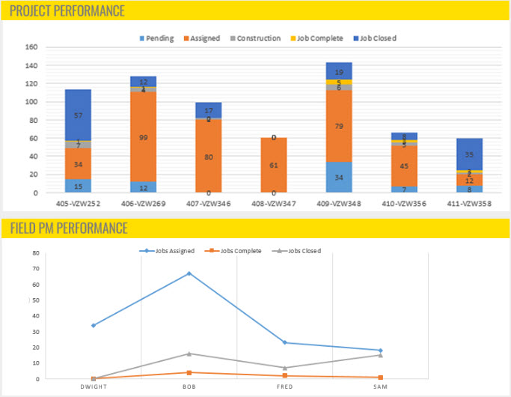
 |  |  | JOBS STATUS COUNT BY PROJECT

 |  |  | PROJECT | ON-HOLD | PENDING | CHANGE ORDER | ASSIGNED | CONSTRUCTION | TESTING | JOB COMPLETE | JOB CLOSED
 |  |  | 405-VZW252 | 7 | 15 | 6 | 34 | 7 | 1 | 1 | 57
 |  |  | 406-VZW269 | 8 | 12 | 9 | 132 | 4 | 2 | 1 | 12
 |  |  | 407-VZW346 | 4 | 0 | 3 | 80 | 2 | 1 | 0 | 17
 |  |  | 408-VZW347 | 6 | 0 | 6 | 61 | 0 | 0 | 0 | 0
 |  |  | 409-VZW348 | 9 | 34 | 2 | 79 | 6 | 3 | 5 | 19
 |  |  | 410-VZW356 | 23 | 7 | 6 | 45 | 3 | 4 | 3 | 8
 |  |  | 411-VZW358 | 0 | 8 | 5 | 12 | 2 | 0 | 3 | 35

 |  |  | JOBS STATUS COUNT BY PROJECT MANAGER

 |  |  | FIELD PM | ON-HOLD | PENDING | CHANGE ORDER | ASSIGNED | CONSTRUCTION | TESTING | JOB COMPLETE | JOB CLOSED
 |  |  | Dwight | 5 | 0 | 1 | 34 | 1 | 0 | 0 | 0
 |  |  | Bob | 2 | 22 | 3 | 67 | 0 | 2 | 4 | 16
 |  |  | Fred | 10 | 3 | 5 | 23 | 2 | 1 | 2 | 7
 |  |  | Sam | 1 | 7 | 2 | 18 | 1 | 0 | 1 | 15

 |  |  | PERMIT STATUS BY PROJECT

 |  |  | PROJECT | APPLIED FOR | ACTIVE | EXPIRING <7 DAYS | EXPIRED
 |  |  | Dwight | 5 | 0 | 1 | 34
 |  |  | Bob | 2 | 22 | 3 | 67
 |  |  | Fred | 10 | 3 | 5 | 23
 |  |  | Sam | 1 | 7 | 2 | 18

 |  |  |  |  |  |  |  |  |  |  |  | Executive Dashboard Field Details
 |  |  |  |  |  |  |  |  |  |  |  | Field name | Screen Grouping | Field Type | Values/Options* | Description | Action | Business Rule
 |  |  |  |  |  |  |  |  |  |  |  | Filters
 |  |  |  |  |  |  |  |  |  |  |  | Search |  | Multiselect Dropdown |  |  | Selection displays all projects with selected status
 |  |  |  |  |  |  |  |  |  |  |  | Project |  | Dropdown |  |  | Selection displays all projects with selected status
 |  |  |  |  |  |  |  |  |  |  |  | Job # |  | Dropdown |  |  | Selection displays all jobs with selected status
 |  |  |  |  |  |  |  |  |  |  |  | Permit |  | Dropdown |  |  | Selection displays all projects with selected Permit status
 |  |  |  |  |  |  |  |  |  |  |  | Date |  | Calender |  |  | Click to open Calender
 |  |  |  |  |  |  |  |  |  |  |  | Status |  | Dropdown | 1. Active 2. Completed 3. Closed |  | Selection displays all projects with selected status
 |  |  |  |  |  |  |  |  |  |  |  | Side Menu
 |  |  |  |  |  |  |  |  |  |  |  | Job |  |  |  |  | Launch Add Jobs Screen
 |  |  |  |  |  |  |  |  |  |  |  | Delete |  |  |  |  | Launch delete Jobs Screen
 |  |  |  |  |  |  |  |  |  |  |  | Export to PDF |  |  |  |  | Export content to PDF
 |  |  |  |  |  |  |  |  |  |  |  | Print |  |  |  |  | Print Manage Jobs Screen/Attachments

